ASR - share buyback
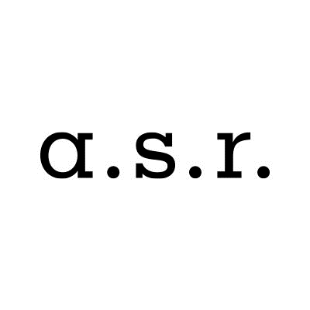

ASR Nederland N.V. share buyback program

Share buyback details
Share buyback program |  |  | 75,000,000
Start date |  |  | 21-Feb-20
Percentage of programme completed as of 20-February-2020 |  |  | 3.6%

Trade date | Number of shares repurchased | Average purchase price | Settlement amount

Total | 73,510 | EUR 36.72 | EUR 2,699,361.28

Total 20 Feb / 21 Feb | 73,510 | EUR 36.72 | EUR 2,699,361.28
20-Feb-20 | 36,500 | EUR 36.96 | EUR 1,349,217.83
21-Feb-20 | 37,010 | EUR 36.48 | EUR 1,350,143.45

