ASR - share buyback
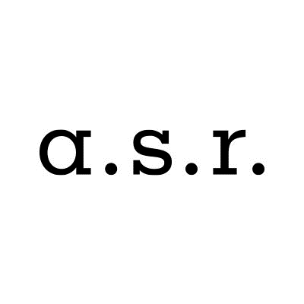

ASR Nederland N.V. share buyback program

Share buyback details
Share buyback program |  |  | 75,000,000
Start date |  |  | 21-Feb-20
Percentage of programme completed as of 28-February-2020 |  |  | 12.8%

Trade date | Number of shares repurchased | Average purchase price | Settlement amount

Total | 286,627 | EUR 33.58 | EUR 9,624,971.08

Total 20 Feb / 21 Feb | 73,510 | EUR 36.72 | EUR 2,699,361.28
20-Feb-20 | 36,500 | EUR 36.96 | EUR 1,349,217.83
21-Feb-20 | 37,010 | EUR 36.48 | EUR 1,350,143.45

Total 24 Feb / 28 Feb | 213,117 | EUR 32.50 | EUR 6,925,609.80
24-Feb-20 | 38,964 | EUR 34.66 | EUR 1,350,323.49
25-Feb-20 | 40,084 | EUR 33.69 | EUR 1,350,325.62
26-Feb-20 | 41,277 | EUR 32.71 | EUR 1,350,322.73
27-Feb-20 | 42,326 | EUR 31.90 | EUR 1,350,313.64
28-Feb-20 | 50,466 | EUR 30.20 | EUR 1,524,324.32

