ASR - share buyback
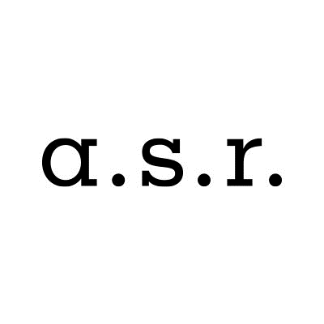

ASR Nederland N.V. share buyback program

Share buyback details
Share buyback program |  |  | 24,267,885
Start date |  |  | 10-Sep-20
Percentage of programme completed as of 11-September-2020 |  |  | 9.8%

Trade date | Number of shares repurchased | Average purchase price | Settlement amount

Total | 78,582 | EUR 30.24 | EUR 2,376,525.41

Total 10 Sep / 11 Sep | 78,582 | EUR 30.24 | EUR 2,376,525.41
10-Sep-20 | 39,065 | EUR 30.42 | EUR 1,188,264.95
11-Sep-20 | 39,517 | EUR 30.07 | EUR 1,188,260.46

